Multifamily Investment Decision
A Case Study of Multifamily Investment Decision with Annex Group

Led by Chief Executive Officer, Kyle Bach, The Annex Group, LLC (Annex) is a fast-growing Indianapolis based company focused on both market rate student housing properties that are leased primarily to students and affordable housing apartments located in college towns that are leased primarily to non-students. In 2018 Annex was listed as the 7th fastest growing private company in central Indiana by the Indianapolis Business Journal.
Like many fast-growing companies in capital intensive industries like real estate, The Annex Group sometimes considers joint ventures to help fund its projects. One such project is the Annex on 10th development near the IUPUI campus in Indianapolis, Indiana. Hageman Group was the joint venture equity partner for the initial development of the Annex on 10th project.
Annex on 10th development is an apartment complex. The following details are collected for feasibility analysis:
The purchase price is $1,000,000.
Potential gross income (PGI) for the first year of operations is projected to be $171,000.
PGI is expected to increase at 4 percent per year.
No vacancies are expected.
Operating expenses are estimated at 35 percent of effective gross income. Ignore capital expenditures.
The market value of the investment is expected to increase 4 percent per year.
Selling expenses will be 4 percent.
The holding period is 4 years.
The appropriate unlevered rate of return to discount projected NOIs and the projected NSP is 12 percent.
The required levered rate of return is 14 percent.
70 percent of the acquisition price can be borrowed with a 30-year, monthly payment mortgage.
The annual interest rate on the mortgage will be 8.0 percent.
Financing costs will equal 2 percent of the loan amount.
There are no prepayment penalties.
Can you help Annex Group to provide a detailed pro-forma DCF analysis for this project?
 | Given
 |  | Year 1
 | Purchase Price | 1000000
 | PGI | 171000
 | Growth on PGI | 4%
 | VC | 0
 | Operating Expenses | 35% | of EGI
 | Growth on MV of Investment | 4%
 | Selling Expense | 4%
 | Holding Period | 4 years
 | Unlevered Rate of Return | 12%
 | Levered Rate of Return | 14%

 | Borrow amount | 70% | 700000
 | Borrow Term | 30 years | 360
 | Annual Interest Rate | 8%
 | Financing Cost | 2% | 14000
 | No repayment penalties

 |  | 0 | 1 | 2 | 3 | 4 | 5
 | Purchase Price |  | $1,000,000.00 | $1,040,000.00 | $1,081,600.00 | $1,124,864.00 | $1,169,858.56
 | PGI |  | $171,000.00 | $177,840.00 | $184,953.60 | $192,351.74 | $200,045.81
 | VC |  | $- | $- | $- | $- | $1.00
 | EGI |  | $171,000.00 | $177,840.00 | $184,953.60 | $192,351.74 | $200,044.81
 | OE |  | $59,850.00 | $62,244.00 | $64,733.76 | $67,323.11 | $70,015.68

 | NOI |  | $111,150.00 | $115,596.00 | $120,219.84 | $125,028.63 | $130,029.13

 | Unlevered IRR model
 | Selling Price at year 5 |  |  |  |  |  | $1,169,858.56
 | Selling expense |  |  |  |  |  | $46,794.34

 | Net Sale Proceeds |  |  |  |  |  | $1,123,064.22

 | Cash Flows | $(1,000,000.00) | $111,150.00 | $115,596.00 | $120,219.84 | $1,248,092.85

 | PV of NOIs | $(1,000,000.00) | $99,241.07 | $92,152.42 | $85,570.11 | $793,185.57
 | NPV | $70,149.17

 | IRR | 14.22%

 | Levered IRR model
 | Loan amount | $700,000.00
 | Monthly payment | $(5,136.35)
 | Annual payment | $(61,636.22)

 | Years | 1 | 2 | 3 | 4
 | RMB | $694,152.45 | $687,819.56 | $680,961.04 | $673,533.27

 | Year 4 Reduction |  |  |  | $7,427.77
 | Year 4 Interest |  |  |  | $(54,208.45)

 | Financing cost | $14,000.00
 | Required Initial Equity | $314,000.00

 | Before tax equity reversion (BTER) | $449,530.95

 | Year | 0 | 1 | 2 | 3 | 4
 | Debt Service |  | $61,636.22 | $61,636.22 | $61,636.22 | $61,636.22
 | BTCF |  | $49,513.78 | $53,959.78 | $58,583.62 | $63,392.41
 | Total BTCF |  | $49,513.78 | $53,959.78 | $58,583.62 | $512,923.36
 | PV |  | $43,433.14 | $41,520.30 | $39,542.27 | $303,691.80
 | Total Inflows (PV) | $428,187.51
 | Total Outflows (Equity) | $314,000.00
 | NPV | $114,187.51

 | Cash Flows | $(314,000.00) | $49,513.78 | $53,959.78 | $58,583.62 | $512,923.36
 | IRR | 25.03%

 | Cap rate | 11.12%
 | Equity dividend rate | 15.77%
 | Gross Income Multiplier | 5.85
 | Debt Coverage Ratio | 1.80

Commercial RE Development
A Case Study of Shopping Center Development

Southfork Development Co. Southfork plans to develop, and then own and operate, Rolling Meadows for a long period of time. Rolling Meadows Center is a high-quality shopping center development located in an upper-income neighborhood.
It plans to use both interim and permanent financing and has approached the Citadel Life Insurance Company to provide permanent financing. If Southfork planned to sell the shopping center after completion and lease-up, it might have elected to pursue a mini-perm loan. In either case, much of the underwriting analysis and contingencies that follow would be applicable.
Table 1 below contains a breakdown of site size, floor-to-area ratio, parking, and anticipated construction and permanent financing. It also provides percentage breakdowns for building coverage, parking, and open space.
The lender will review the percentage breakdowns to ascertain whether the density of the project development on the site is too high and whether parking is adequate. The lender will pay particular attention to the site plan and ease of traffic circulation on the site. Citadel will have access to comparative data for this project from previous project financing files and from industry statistics.
Table 2 below breaks down development costs into land acquisition costs, off-site costs, hard costs, and soft costs. These costs are also broken down as a percentage of total cost and cost per square foot of gross building area (GBA)

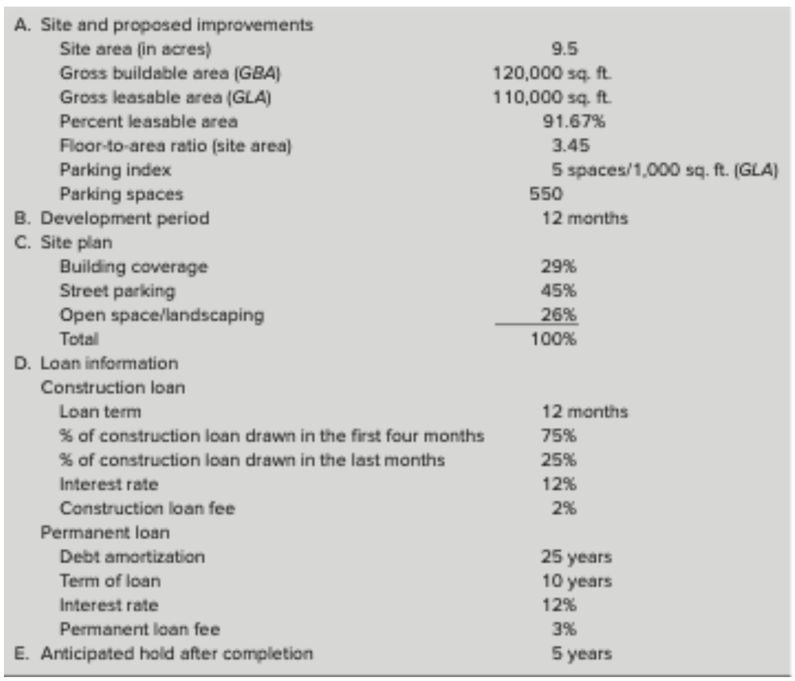
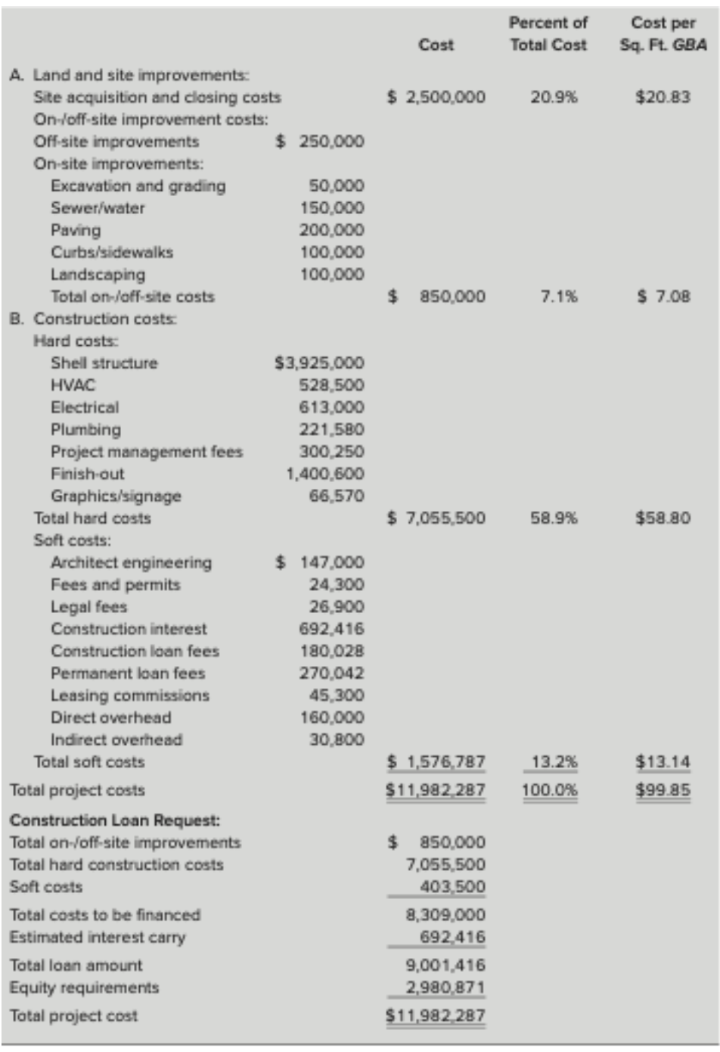

Loan amount as % of total cost | 75.12%
Equity needed = purchase price-loan amount+financing cost
Site Improvement | $850,000
Hard Construction | $7,055,500
Soft Construction | $403,500
Interest carry | $692,416
Site improvement + hard construction costs+soft costs+ interest carry | $9,001,416

Construction Loan
Loan amount | $8,309,000.00
Term | 12 | months
% draw first 4 months | 75% |  | $1,557,937.50 | monthly
% draw last remaining months | 25% |  | $259,656.25 | monthly
Interest rate | 12%
Loan Fee | 2%
 |  |  | huge default risk to the bank >> Negative Amortization
End of month | Project Cost that bank gives you | Interest you pay | Loan Balance | Draw | Actual Draw
0
1 | $1,557,937.50 |  | $1,557,937.50 | $1,557,937.50 | $1,557,937.50
2 | $1,557,937.50 | $15,579.38 | $3,131,454.38 | $1,573,516.88 | $1,557,937.50
3 | $1,557,937.50 | $31,314.54 | $4,720,706.42 | $1,589,252.04 | $1,557,937.50
4 | $1,557,937.50 | $47,207.06 | $6,325,850.98 | $1,605,144.56 | $1,557,937.50
5 | $259,656.25 | $63,258.51 | $6,648,765.74 | $322,914.76 | $259,656.25
6 | $259,656.25 | $66,487.66 | $6,974,909.65 | $326,143.91 | $259,656.25
7 | $259,656.25 | $69,749.10 | $7,304,315.00 | $329,405.35 | $259,656.25
8 | $259,656.25 | $73,043.15 | $7,637,014.40 | $332,699.40 | $259,656.25
9 | $259,656.25 | $76,370.14 | $7,973,040.79 | $336,026.39 | $259,656.25
10 | $259,656.25 | $79,730.41 | $8,312,427.45 | $339,386.66 | $259,656.25
11 | $259,656.25 | $83,124.27 | $8,655,207.97 | $342,780.52 | $259,656.25
12 | $259,656.25 | $86,552.08 | $9,001,416.30 | $346,208.33 | $259,656.25
 | $8,309,000.00 | $692,416.30 |  | $9,001,416.30 | $8,309,000.00

Total Loan | $9,001,416.00
Debt amortization | 25
Term of Loan | 10
Interest rate | 12%
Debt service/month | $94,805.00
Debt service/year | $1,137,661.00
3% permanent loan fee | $270,042.00
Yield to permanent lender | 12.55%

Monthly payment | ($94,805.09)
 | year 1 | year 2 | year 3
Equity needed | 2950071 | 30800 | 2980871
Equity needed during construction year | 2980871

Item | 2 | 3 | 4 | 5 | 6
Income:
Minimum rent | $1,650,000 | $1,749,000 | $1,853,940 | $1,965,176 | $2,083,087
Overage (5% of gross sales) | 30,000 | 124,800 | 129,792 | 134,984 | 140,383
Tenant reimbursements
Real estate taxes | 137,500 | 143,000 | 148,720 | 154,669 | 160,856
Common area maintenance | 385,000 | 400,400 | 416,416 | 433,073 | 450,396
Utilities | 367,500 | 382,200 | 397,488 | 413,388 | 429,923
Insurance | 33,000 | 34,320 | 35,693 | 37,121 | 38,605
Gross potential income | $2,603,000 | $2,833,720 | $2,982,049 | $3,138,410 | $3,303,249
Less: Vacancy allowance | 780,900 | 141,686 | 149,102 | 156,920 | 165,162
Expected gross income | $1,822,100 | $2,692,034 | $2,832,947 | $2,981,490 | $3,138,087
Expenses:
Management and leasing fees | $104,500 | $93,690 | $99,187 | $105,008 | $111,174
General and administrative | 77,000 | 80,080 | 83,283 | 86,615 | 90,079
Real estate taxes | 137,500 | 143,000 | 148,720 | 154,669 | 160,856
Common area maintenance | 385,000 | 400,400 | 416,416 | 433,073 | 450,396
Utilities | 300,300 | 312,312 | 324,804 | 337,797 | 351,309
Insurance | 33,000 | 34,320 | 35,693 | 37,121 | 38,605
Other | 27,500 | 28,600 | 29,744 | 30,934 | 32,171
Total expenses | $1,064,800 | $1,092,402 | $1,137,847 | $1,185,215 | $1,234,589

NOI | $757,300 | $1,599,632 | $1,695,100 | $1,796,275 | $1,903,498
Debt Service | $1,137,661.00 | $1,137,661.00 | $1,137,661.00 | $1,137,661.00 | $1,137,661.00

BTCF | ($380,361.00) | $461,971.00 | $557,439.00 | $658,614.00 | $765,837.00

Operating Expense Ratio | 40.58%
Debt Coverage Ratio | 1.41

Appraisal
Case 1
You are appraising a single-family residence located in the Huntington neighborhood at 4632 NW 56th Drive. The property is being acquired by a mortgage applicant and you have been asked to appraise the property by the lender. Seven potential comparable sales were initially identified. However, three of these seven were highly similar to the subject property in their transactional, physical, and locational characteristics. You therefore decided to exclude the other four transactions from the comparable set.
The elements of comparison you used to compare and adjust the sale prices of the comparable properties are listed in the market data grid below. The property rights being conveyed in the acquisition of the subject property are fee-simple absolute. Conventional mortgage financing will be used by the purchaser and the acquisition appears to be an arm’s-length transaction. Thus, no adjustments need to be made to the sale prices of the comparable properties for the type of property rights conveyed, financing terms, or conditions of sale. However, the buyer of Comparable 2 was aware that she would have to replace one of the air-conditioning units immediately after acquiring the property (which she did); thus, she was able to negotiate a $3,000 price reduction from the seller.
Comparable 1 sold three months ago, while Comparables 2 and 3 sold six months ago. Based on your knowledge of recent price appreciation in this market, you have decided that Comparable 1 would sell for 2 percent more if sold today and that Comparables 2 and 3 would sell for 4 percent more if sold today. The subject property is located in Huntington, as is Comparable 1. However, Comparables 2 and 3 are located in Kensington and Millhoper, respectively. Although Huntington is a high-end neighborhood, both Kensington and Millhoper are generally considered to be slightly more desirable. In fact, homes in these two neighborhoods generally sell for about a 3 percent price premium relative to similar homes in Huntington.
In these neighborhoods, an incremental square foot of lot size or living area is worth about $20 per square foot and $80 per square foot, respectively. Each year of effective age reduces the value of properties in this market by about $3,000 per year. Your experience suggests that each additional half-bath is worth $500; each additional full bath $1,000. Additional garage spaces, wood decks, and pools in Page 189these neighborhoods are worth $8,000, $1,000, and $12,000, respectively. No significant nonrealty items were included in the comparable transactions.
Questions :
1. Based on the above discussion of the elements of comparison, complete an adjustment grid for the three comparable properties.
2. What is the final adjusted sale price for Comparables 1, 2, and 3?

 |  |  | Given,
 |  |  | Elements of Comparison | Subject | Comp Sale 1 | Comp Sale 2 | Comp Sale 3
 |  |  | Sale price of comparable |  | $510,000 | $525,000 | $499,000
 |  |  | Transaction characteristics
 |  |  | Property rights conveyed | Fee Simple | Same | Same | Same
 |  |  | Financing terms | Conventional | Same | Same | Same
 |  |  | Conditions of sale | Arm's Length | Same | Same | Same
 |  |  | Expenditures immed. after purchase |  | None | $3,000 | None
 |  |  | Market conditions months | Today | 3 | 6 | 6
 |  |  | Market conditions increase |  | 2% | 4% | 4%
 |  |  | Property characteristics
 |  |  | Location | Huntington | Huntington | Kensington | Millhoper
 |  |  | Physical characteristics:
 |  |  | Site/lot size | 6,662 | 6,700 | 6,800 | 6,600
 |  |  | Construction quality | Typical | Typical | Typical | Typical
 |  |  | Condition | Average | Average | Average | Average
 |  |  | Effective age | 5.5 | 7 | 8 | 10
 |  |  | Living area | 3,473 | 3,920 | 3,985 | 3,835
 |  |  | Number of full baths | 3 | 3 | 3 | 2
 |  |  | Number of half baths |  | 1
 |  |  | Garage Spaces for cars | 2 | 2 | 2 | 1
 |  |  | Porch, patio, deck | Cov. Porch/wood deck | Cov. Porch | Cov. Porch | Cov. Porch
 |  |  | Fence, pool, etc. | None | None | Pool | Pool
 |  |  | Economics characteristics | N.A. | N.A. | N.A. | N.A.
 |  |  | Use | Single-family | Same | Same | Same
 |  |  | Nonrealty components | None | None | None | None

 |  |  | Home Price |  |  | market research
 |  |  | Market Condition |  | per month
 |  |  | Lot size | 20 | per square foot
 |  |  | Living area | 80 | per square foot
 |  |  | Age | 3000 | less per year
 |  |  | Halfbath | 500 | per each
 |  |  | Bath | 1000 | per each
 |  |  | Garage | 8000 | per car space
 |  |  | Pool | 12000 | per space
 |  |  | Pation/deck | 1000 | per space
 |  |  | Market Premium | 3% | for Kensington and Millhoper

 |  |  | Adjustments: | Subject | Comp 1 | Comp 2 | Comp 3
 |  |  | Market Conditions |  | $10,200 | $21,000 | $19,960
 |  |  | Expenditure immed. after purchase |  | $0 | $3,000 | $0
 |  |  | New Price |  | $520,200 | $549,000 | $518,960
 |  |  | Location Premium |  | $0 | ($15,750) | ($14,970)
 |  |  | New Price |  | $520,200 | $533,250 | $503,990
 |  |  | Site/lot size |  | ($760) | ($2,760) | $1,240
 |  |  | New Price |  | $519,440 | $530,490 | $505,230
 |  |  | Effective Age |  | $4,500 | $7,500 | $13,500
 |  |  | New Price |  | $523,940 | $537,990 | $518,730
 |  |  | Living area |  | ($35,760) | ($40,960) | ($28,960)
 |  |  | New Price |  | $488,180 | $497,030 | $489,770
 |  |  | Full Baths |  | $0 | $0 | $1,000
 |  |  | New Price |  | $488,180 | $497,030 | $490,770
 |  |  | Half Baths |  | ($500) | $0 | $0
 |  |  | New Price |  | $487,680 | $497,030 | $490,770
 |  |  | Garage space |  | $0 | $0 | $8,000
 |  |  | New Price |  | $487,680 | $497,030 | $498,770
 |  |  | Porch, patio, deck |  | $1,000 | $1,000 | $1,000
 |  |  | New Price |  | $488,680 | $498,030 | $499,770
 |  |  | Fence, pool |  |  | ($12,000) | ($12,000)
 |  |  | New Price |  | $488,680 | $486,030 | $487,770
 |  |  | Final Price |  | $488,680 | $486,030 | $487,770

Case 2:
Given the following owner’s income and expense estimates for an apartment property, formulate a reconstructed operating statement. The building consists of 10 units that could rent for $550 per month each.
Estimating vacancy and collection losses at 5 percent of potential gross income, reconstruct the operating statement to obtain an estimate of NOI. Assume an above-line treatment of CAPX. Remember, there may be items in the owner’s statement that should not be included in the reconstructed operating statement.
Questions:
1. Using the NOI and a Ro of 11.0 percent, calculate the property’s indicated market value. Round your answer to the nearest $1,000.

Given,
Rental income (last year) | $60,600
Less: Operating & capital expenses |  |  | Years | 1
Power | $2,200 |  | PGI | $66,000
Heat | $1,700 |  | VC | $3,300
Janitor | $4,600 |  | MI | $-
Water | $3,700 |  | EGI | $62,700
Maintenance | $4,800 |  | OE | $20,000
Reserve for capital expenditures | $2,800 |  | CAPx | $2,800
Management | $3,000 |  | NOI | $39,900
Tax depreciation | $5,000 |  | Ro | 11%
Mortgage payments | $6,300 |  | Value | $362,727
Number of units | 10
Rent/month per each | $550
Vacancy and collection losses | 5%

Case 3:
You have been asked to estimate the market value of an apartment complex that is producing annual net operating income of $44,500. Four highly similar and competitive apartment properties within two blocks of the subject property have sold in the past three months. All four offer essentially the same amenities and services as the subject. All were open-market transactions with similar terms of sale. All were financed with 30-year fixed-rate mortgages using 70 percent debt and 30 percent equity. The sale prices and estimated first-year net operating incomes were as follows:
Comparable 1: Sale price $500,000; NOI $55,000
Comparable 2: Sale price $420,000; NOI $50,400
Comparable 3: Sale price $475,000; NOI $53,400
Comparable 4: Sale price $600,000; NOI $69,000
Question:
1. What is the indicated value of the subject using direct capitalization?

Given,
NOI | $44,500
Equity | 70%
Debt | 30%
Mortgage | 30 years fixed-rate

 | NOI | Sale Price | Ro
Comparable 1 | 55000 | 500000 | 11.00%
Comparable 2 | 50400 | 420000 | 12.00%
Comparable 3 | 53400 | 475000 | 11.24%
Comparable 4 | 69000 | 600000 | 11.50%
 |  |  | 11.44%
 |  | Value | $389,138

